Site Plan
 |  |  |  | Traffic Surveys
 |  |  |  | Phoenix House
 |  |  |  | 3 Goddard Road
 |  |  |  | Ipswich
 |  |  |  | Suffolk , IP1 5NP

Type of Survey | Speed and Volume Survey

Project Reference | A4207 | Easting Northing | 568306 263988

Client | David Chenery Safety & Speed Management | Start Date of Survey Period | 12th January 2022

Site location | Moulton Road Moulton | End Date of Survey Period | 18th Janaury 2022

Comments

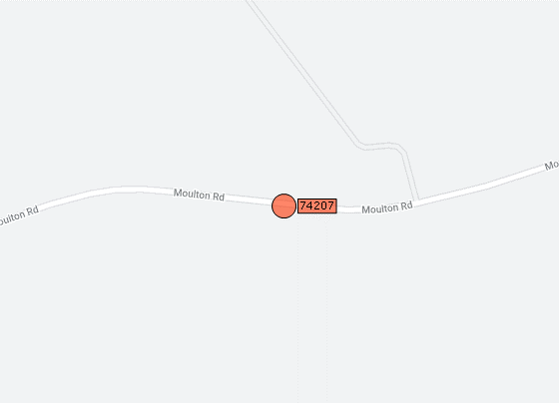
Speed Limit | 60mph

Road Number | C653

